Result5
2025.08.04 FW WYCENA 1035SUR082025-S235-5-Oxygen(6) - Result5
Cut Plan
Material | Thickness(mm) | Plate Size(mm*mm) |  | Nested Plate Size(mm*mm) |  | Cut number: | Cut time per piece | Part Qty
S235 | 5.00 | 766.50 * 1128.77 |  | 716.50 * 1078.77 |  | 1 | 20min38s | 56
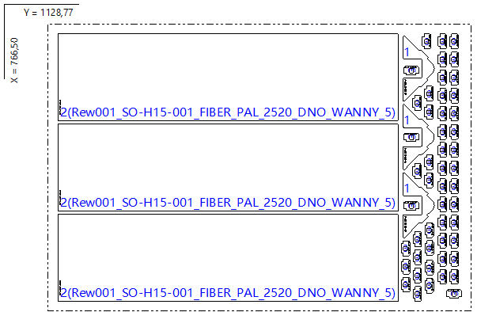

Part List
ID | Thumbnail | Part Name | Part Size(mm*mm) | Qty | Cut Length(m) | Marking length(m) | Defilm Length(m)
318315 |  | Rew001_SO-G93-001_FIBER_MOC_DASZKA_SRODEK_PAL | 174.34 * 83.37 | 3 / 144 | 0.53 | 0.12 | 0
318317 |  | Rew001_SO-H15-001_FIBER_PAL_2520_DNO_WANNY_5 | 233.00 * 909.00 | 3 / 48 | 2.29 | 0.12 | 0
318319 |  | Rew001_SO-H04-001_FIBER_PAL_MOC_DASZKA_BOK_GNIAZDO | 40.00 * 23.00 | 50 / 96 | 0.17 | 0.09 | 0

Result1
2025.08.04 FW WYCENA 1035SUR082025-S235-5-Oxygen(6) - Result1
Cut Plan
Material | Thickness(mm) | Plate Size(mm*mm) |  | Nested Plate Size(mm*mm) |  | Cut number: | Cut time per piece | Part Qty
S235 | 5.00 | 1500.00 * 3000.00 |  | 1449.93 * 2984.03 |  | 8 | 36min29s | 28
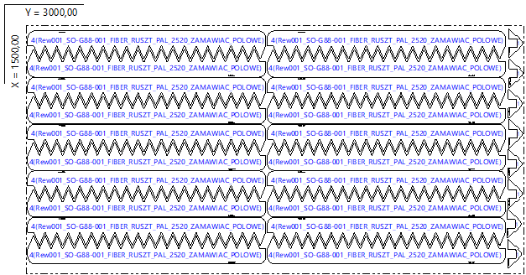

Part List
ID | Thumbnail | Part Name | Part Size(mm*mm) | Qty | Cut Length(m) | Marking length(m) | Defilm Length(m)
318315 |  | Rew001_SO-G93-001_FIBER_MOC_DASZKA_SRODEK_PAL | 174.34 * 83.37 | 8 / 144 | 0.53 | 0.12 | 0
318414 |  | Rew001_SO-G88-001_FIBER_RUSZT_PAL_2520_ZAMAWIAC_POLOWE | 1435.00 * 167.91 | 20 / 168 | 5 | 0.12 | 0

Result2
2025.08.04 FW WYCENA 1035SUR082025-S235-5-Oxygen(6) - Result2
Cut Plan
Material | Thickness(mm) | Plate Size(mm*mm) |  | Nested Plate Size(mm*mm) |  | Cut number: | Cut time per piece | Part Qty
S235 | 5.00 | 1500.00 * 3000.00 |  | 1484.02 * 2970.05 |  | 1 | 55min43s | 93
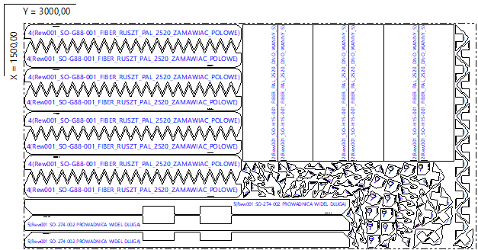

Part List
ID | Thumbnail | Part Name | Part Size(mm*mm) | Qty | Cut Length(m) | Marking length(m) | Defilm Length(m)
318315 |  | Rew001_SO-G93-001_FIBER_MOC_DASZKA_SRODEK_PAL | 174.34 * 83.37 | 21 / 144 | 0.53 | 0.12 | 0
318317 |  | Rew001_SO-H15-001_FIBER_PAL_2520_DNO_WANNY_5 | 233.00 * 909.00 | 6 / 48 | 2.29 | 0.12 | 0
318414 |  | Rew001_SO-G88-001_FIBER_RUSZT_PAL_2520_ZAMAWIAC_POLOWE | 1435.00 * 167.91 | 8 / 168 | 5 | 0.12 | 0
318554 |  | Rew001_SO-274-002_PROWADNICA_WIDEL_DLUGA | 2150.00 * 101.00 | 3 / 24 | 4.66 | 0.11 | 0
318555 |  | Rew001_SO-H02-001_FIBER_PAL_MOC_DASZKA_BOK_HAK | 98.59 * 98.59 | 43 / 96 | 0.4 | 0.12 | 0
318556 |  | Rew001_SO-F18-001_WZM_NOGI | 85.00 * 85.00 | 12 / 24 | 0.44 | 0.12 | 0

Result3
2025.08.04 FW WYCENA 1035SUR082025-S235-5-Oxygen(6) - Result3
Cut Plan
Material | Thickness(mm) | Plate Size(mm*mm) |  | Nested Plate Size(mm*mm) |  | Cut number: | Cut time per piece | Part Qty
S235 | 5.00 | 1500.00 * 3000.00 |  | 1471.84 * 2977.54 |  | 2 | 32min06s | 61
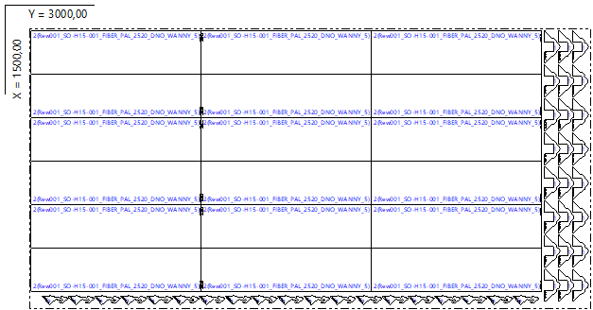

Part List
ID | Thumbnail | Part Name | Part Size(mm*mm) | Qty | Cut Length(m) | Marking length(m) | Defilm Length(m)
318315 |  | Rew001_SO-G93-001_FIBER_MOC_DASZKA_SRODEK_PAL | 174.34 * 83.37 | 24 / 144 | 0.53 | 0.12 | 0
318317 |  | Rew001_SO-H15-001_FIBER_PAL_2520_DNO_WANNY_5 | 233.00 * 909.00 | 18 / 48 | 2.29 | 0.12 | 0
318555 |  | Rew001_SO-H02-001_FIBER_PAL_MOC_DASZKA_BOK_HAK | 98.59 * 98.59 | 19 / 96 | 0.4 | 0.12 | 0

Result4
2025.08.04 FW WYCENA 1035SUR082025-S235-5-Oxygen(6) - Result4
Cut Plan
Material | Thickness(mm) | Plate Size(mm*mm) |  | Nested Plate Size(mm*mm) |  | Cut number: | Cut time per piece | Part Qty
S235 | 5.00 | 1500.00 * 3000.00 |  | 1484.01 * 2984.01 |  | 1 | 46min02s | 68
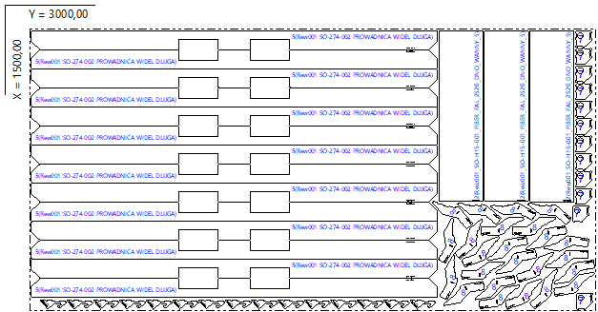

Part List
ID | Thumbnail | Part Name | Part Size(mm*mm) | Qty | Cut Length(m) | Marking length(m) | Defilm Length(m)
318317 |  | Rew001_SO-H15-001_FIBER_PAL_2520_DNO_WANNY_5 | 233.00 * 909.00 | 3 / 48 | 2.29 | 0.12 | 0
318554 |  | Rew001_SO-274-002_PROWADNICA_WIDEL_DLUGA | 2150.00 * 101.00 | 14 / 24 | 4.66 | 0.11 | 0
318555 |  | Rew001_SO-H02-001_FIBER_PAL_MOC_DASZKA_BOK_HAK | 98.59 * 98.59 | 15 / 96 | 0.4 | 0.12 | 0
318556 |  | Rew001_SO-F18-001_WZM_NOGI | 85.00 * 85.00 | 12 / 24 | 0.44 | 0.12 | 0
318869 |  | Rew001_SO-G82-001_FIBER_PAL_ZASLEPKA_WZM_BOKU | 92.00 * 228.00 | 24 / 24 | 0.63 | 0.12 | 0

Result6
2025.08.04 FW WYCENA 1035SUR082025-S235-5-Oxygen(6) - Result6
Cut Plan
Material | Thickness(mm) | Plate Size(mm*mm) |  | Nested Plate Size(mm*mm) |  | Cut number: | Cut time per piece | Part Qty
S235 | 5.00 | 809.50 * 2200.50 |  | 759.50 * 2150.50 |  | 1 | 28min04s | 61
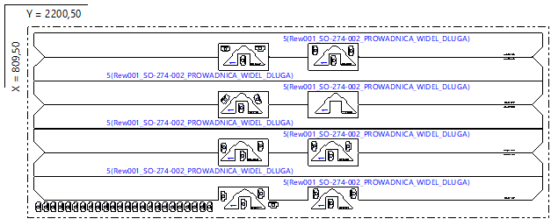

Part List
ID | Thumbnail | Part Name | Part Size(mm*mm) | Qty | Cut Length(m) | Marking length(m) | Defilm Length(m)
318315 |  | Rew001_SO-G93-001_FIBER_MOC_DASZKA_SRODEK_PAL | 174.34 * 83.37 | 8 / 144 | 0.53 | 0.12 | 0
318319 |  | Rew001_SO-H04-001_FIBER_PAL_MOC_DASZKA_BOK_GNIAZDO | 40.00 * 23.00 | 46 / 96 | 0.17 | 0.09 | 0
318554 |  | Rew001_SO-274-002_PROWADNICA_WIDEL_DLUGA | 2150.00 * 101.00 | 7 / 24 | 4.66 | 0.11 | 0

